LEAD 90th Percentile Calc
LEAD 90TH PERCENTILE CALCULATION WORKSHEET
Last updated: May 2025

WATER SYSTEM INPUT DATA (cells highlighted in yellow) |  |  |  | WATER SYSTEM INPUT DATA (cells highlighted in yellow)
Monitoring Period [Drop-down option ®] |  | Lead Sample Result Units [Drop-down option ®] |  | Lead Sample Result Units |  | ¬ Automatically generated from units enter in row 5 column E

Sampling Year [Enter manually ®] |  | Lab Reporting Limit* for Lead [Enter manually ®] | [¬ Keep the cell format as "Text" (i.e., Do not change cell format of this value (or convert it to number)) as this value must be stored as text for the formula to work properly.] | Sample | Lead Sample Results [Enter manually ¯] | *** SAMPLE RESULTS MUST BE SORTED TO OBTAIN 90TH PERCENTILE VALUE *** ¬ To sort, click the square button with arrow and select "Sort Smallest to Largest" (or "Ascending")
 |  | *Enter lab reporting limit exactly as it appears on the lab report (including all zeros). Note that lab reporting limit may be indicated as "Reporting Limit", "RL", "Detection Limit", "MRL", or "PQL". This value may be located one time on the form or for each sample. If more than one reporting limit is found on the lab report, please enter the largest value. If this value was not found on the lab report, please enter "0.005" if using mg/L (= ppm) or "5" if using μg/L (= ppb). |  | 1
 |  |  |  | 2
 |  |  |  | 3
 |  |  |  | 4
AUTOMATICALLY CALCULATED VALUES (cells highlighted in gray) |  |  |  | 5
Total Number of Lead Water Samples | 0 |  |  | 6
 |  |  |  | 7
If Lead sample result units is mg/L (= ppm): |  |  |  | 8
Unrounded 90th Percentile Value [mg/L (= ppm)] |  |  |  | 9
Final Rounded 90th Percentile Value [mg/L (= ppm)] | Error: No unit of sample result entered. |  |  | 10
 |  |  |  | 11
If Lead sample result units is μg/L (= ppb): |  |  |  | 12
Unrounded 90th Percentile Value [μg/L (= ppb)] |  |  |  | 13
Final Rounded 90th Percentile Value [μg/L (= ppb)] | Error: No unit of sample result entered. |  |  | 14
 |  |  |  | 15
 |  |  |  | 16
Instructions |  |  |  | 17
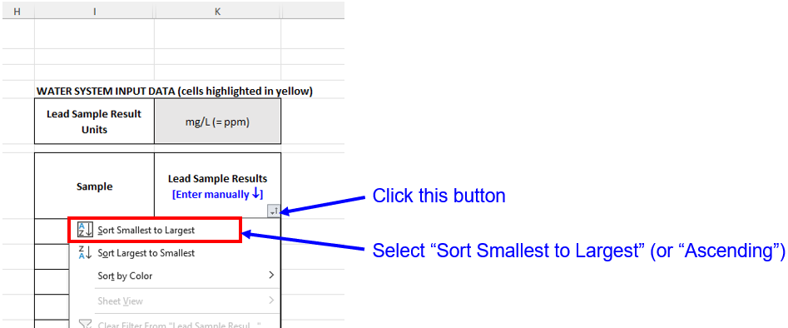 1. [OPTIONAL] Select the monitoring period and enter sampling year. 2. [REQUIRED] Select the units of Lead sample results under row 5 column E. 3. [REQUIRED] Enter lab reporting limit for Lead under row 7 column E. The lab reporting limit should be entered exactly as it appears on the lab report (including all zeros). Note that lab reporting limit may be indicated as "Reporting Limit", "RL", "Detection Limit", "MRL", or "PQL". This value may be located one time on the form or for each sample. If more than one reporting limit is found on the lab report, please enter the largest value. If this value was not found on the lab report, please enter "0.005" if using mg/L (= ppm) or "5" if using μg/L (= ppb). 4. [REQUIRED] Enter Lead sample results from the laboratory report under "Lead Sample Results" (column K) starting from Sample 1 (row 8). Any Lead results that are not detected (e.g., ND, <0.005 mg/L, <5 ppb, etc.) should be entered as "0" (zero). 5. [REQUIRED] Sort "Lead Sample Results" from smallest to largest by clicking on the square button with arrow located on row 7 column K and select "Sort Smallest to Largest" (or "Ascending"). DO NOT SKIP THIS STEP. If the results are not sorted, 90th percentile value will not be calculated properly/correctly. 6. Once the 90th percentile value is calculated, if the 90th percentile value exceeds the Lead Action Level (AL) of 0.015 mg/L, the text will be red; otherwise, if the 90th percentile value does not exceed the AL, the text will be green. |  |  |  | 18
 |  |  |  | 19
 |  |  |  | 20
 |  |  |  | 21
 |  |  |  | 22
 |  |  |  | 23
 |  |  |  | 24
 |  |  |  | 25
 |  |  |  | 26
 |  |  |  | 27
 |  |  |  | 28
 |  |  |  | 29
 |  |  |  | 30
 |  |  |  | 31
 |  |  |  | 32
 |  |  |  | 33
 |  |  |  | 34
 |  |  |  | 35
 |  |  |  | 36
 |  |  |  | 37
 |  |  |  | 38
 |  |  |  | 39
 |  |  |  | 40
 |  |  |  | 41
 |  |  |  | 42
 |  |  |  | 43
 |  |  |  | 44
 |  |  |  | 45
 |  |  |  | 46
 |  |  |  | 47
 |  |  |  | 48
 |  |  |  | 49
 |  |  |  | 50
 |  |  |  | 51
 |  |  |  | 52
 |  |  |  | 53
 |  |  |  | 54
 |  |  |  | 55
 |  |  |  | 56
 |  |  |  | 57
 |  |  |  | 58
 |  |  |  | 59
 |  |  |  | 60
 |  |  |  | 61
 |  |  |  | 62
 |  |  |  | 63
 |  |  |  | 64
 |  |  |  | 65
 |  |  |  | 66
 |  |  |  | 67
 |  |  |  | 68
 |  |  |  | 69
 |  |  |  | 70
 |  |  |  | 71
 |  |  |  | 72
 |  |  |  | 73
 |  |  |  | 74
 |  |  |  | 75
 |  |  |  | 76
 |  |  |  | 77
 |  |  |  | 78
 |  |  |  | 79
 |  |  |  | 80
 |  |  |  | 81
 |  |  |  | 82
 |  |  |  | 83
 |  |  |  | 84
 |  |  |  | 85
 |  |  |  | 86
 |  |  |  | 87
 |  |  |  | 88
 |  |  |  | 89
 |  |  |  | 90
 |  |  |  | 91
 |  |  |  | 92
 |  |  |  | 93
 |  |  |  | 94
 |  |  |  | 95
 |  |  |  | 96
 |  |  |  | 97
 |  |  |  | 98
 |  |  |  | 99
 |  |  |  | 100
 |  |  |  | 101
 |  |  |  | 102
 |  |  |  | 103
 |  |  |  | 104
 |  |  |  | 105
 |  |  |  | 106
 |  |  |  | 107
 |  |  |  | 108
 |  |  |  | 109
 |  |  |  | 110
 |  |  |  | 111
 |  |  |  | 112
 |  |  |  | 113
 |  |  |  | 114
 |  |  |  | 115
 |  |  |  | 116
 |  |  |  | 117
 |  |  |  | 118
 |  |  |  | 119
 |  |  |  | 120
 |  |  |  | 121
 |  |  |  | 122
 |  |  |  | 123
 |  |  |  | 124
 |  |  |  | 125

COPPER 90th Percentile Calc
COPPER 90TH PERCENTILE CALCULATION WORKSHEET
Last updated: May 2025

WATER SYSTEM INPUT DATA (cells highlighted in yellow) |  |  |  | WATER SYSTEM INPUT DATA (cells highlighted in yellow)
Monitoring Period [Drop-down option ®] |  | Copper Sample Result Units [Drop-down option ®] |  | Copper Sample Result Units |  | ¬ Automatically generated from units enter in row 5 column E

Sampling Year [Enter manually ®] |  | Lab Reporting Limit* for Copper [Enter manually ®] | [¬ Keep the cell format as "Text" (i.e., Do not change cell format of this value (or convert it to number)) as this value must be stored as text for the formula to work properly.] | Sample | Copper Sample Results [Enter manually ¯] | *** SAMPLE RESULTS MUST BE SORTED TO OBTAIN 90TH PERCENTILE VALUE *** ¬ To sort, click the square button with arrow and select "Sort Smallest to Largest" (or "Ascending")
 |  | *Enter lab reporting limit exactly as it appears on the lab report (including all zeros). Note that lab reporting limit may be indicated as "Reporting Limit", "RL", "Detection Limit", "MRL", or "PQL". This value may be located one time on the form or for each sample. If more than one reporting limit is found on the lab report, please enter the largest value. If this value was not found on the lab report, please enter "0.05" if using mg/L (= ppm) or "50" if using μg/L (= ppb). |  | 1
 |  |  |  | 2
 |  |  |  | 3
 |  |  |  | 4
AUTOMATICALLY CALCULATED VALUES (cells highlighted in gray) |  |  |  | 5
Total Number of Copper Water Samples | 0 |  |  | 6
 |  |  |  | 7
If Copper sample result units is mg/L (= ppm): |  |  |  | 8
Unrounded 90th Percentile Value [mg/L (= ppm)] |  |  |  | 9
Final Rounded 90th Percentile Value [mg/L (= ppm)] | Error: No unit of sample result entered. |  |  | 10
 |  |  |  | 11
If Copper sample result units is μg/L (= ppb): |  |  |  | 12
Unrounded 90th Percentile Value [μg/L (= ppb)] |  |  |  | 13
Final Rounded 90th Percentile Value [μg/L (= ppb)] | Error: No unit of sample result entered. |  |  | 14
 |  |  |  | 15
 |  |  |  | 16
Instructions |  |  |  | 17
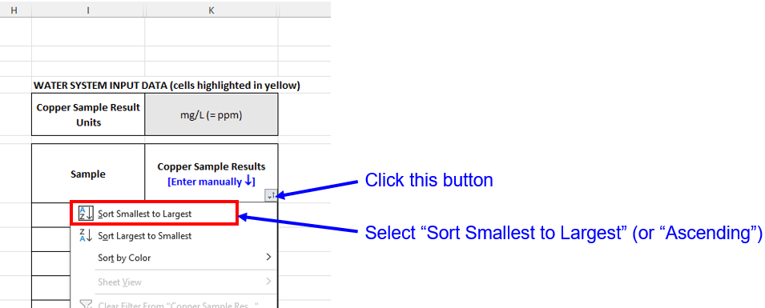 1. [OPTIONAL] Select the monitoring period and enter sampling year. 2. [REQUIRED] Select the units of Copper sample results under row 5 column E. 3. [REQUIRED] Enter lab reporting limit for Copper under row 7 column E. The lab reporting limit should be entered exactly as it appears on the lab report (including all zeros). Note that lab reporting limit may be indicated as "Reporting Limit", "RL", "Detection Limit", "MRL", or "PQL". This value may be located one time on the form or for each sample. If more than one reporting limit is found on the lab report, please enter the largest value. If this value was not found on the lab report, please enter "0.05" if using mg/L (= ppm) or "50" if using μg/L (= ppb). 4. [REQUIRED] Enter Copper sample results from the laboratory report under "Copper Sample Results" (column K) starting from Sample 1 (row 8). Any Copper results that are not detected (e.g., ND, <0.05 mg/L, <50 ppb, etc.) should be entered as "0" (zero). 5. [REQUIRED] Sort "Copper Sample Results" from smallest to largest by clicking on the square button with arrow located on row 7 column K and select "Sort Smallest to Largest" (or "Ascending"). DO NOT SKIP THIS STEP. If the results are not sorted, 90th percentile value will not be calculated properly/correctly. 6. Once the 90th percentile value is calculated, if the 90th percentile value exceeds the Copper Action Level (AL) of 1.3 mg/L, the text will be red; otherwise, if the 90th percentile value does not exceed the AL, the text will be green. |  |  |  | 18
 |  |  |  | 19
 |  |  |  | 20
 |  |  |  | 21
 |  |  |  | 22
 |  |  |  | 23
 |  |  |  | 24
 |  |  |  | 25
 |  |  |  | 26
 |  |  |  | 27
 |  |  |  | 28
 |  |  |  | 29
 |  |  |  | 30
 |  |  |  | 31
 |  |  |  | 32
 |  |  |  | 33
 |  |  |  | 34
 |  |  |  | 35
 |  |  |  | 36
 |  |  |  | 37
 |  |  |  | 38
 |  |  |  | 39
 |  |  |  | 40
 |  |  |  | 41
 |  |  |  | 42
 |  |  |  | 43
 |  |  |  | 44
 |  |  |  | 45
 |  |  |  | 46
 |  |  |  | 47
 |  |  |  | 48
 |  |  |  | 49
 |  |  |  | 50
 |  |  |  | 51
 |  |  |  | 52
 |  |  |  | 53
 |  |  |  | 54
 |  |  |  | 55
 |  |  |  | 56
 |  |  |  | 57
 |  |  |  | 58
 |  |  |  | 59
 |  |  |  | 60
 |  |  |  | 61
 |  |  |  | 62
 |  |  |  | 63
 |  |  |  | 64
 |  |  |  | 65
 |  |  |  | 66
 |  |  |  | 67
 |  |  |  | 68
 |  |  |  | 69
 |  |  |  | 70
 |  |  |  | 71
 |  |  |  | 72
 |  |  |  | 73
 |  |  |  | 74
 |  |  |  | 75
 |  |  |  | 76
 |  |  |  | 77
 |  |  |  | 78
 |  |  |  | 79
 |  |  |  | 80
 |  |  |  | 81
 |  |  |  | 82
 |  |  |  | 83
 |  |  |  | 84
 |  |  |  | 85
 |  |  |  | 86
 |  |  |  | 87
 |  |  |  | 88
 |  |  |  | 89
 |  |  |  | 90
 |  |  |  | 91
 |  |  |  | 92
 |  |  |  | 93
 |  |  |  | 94
 |  |  |  | 95
 |  |  |  | 96
 |  |  |  | 97
 |  |  |  | 98
 |  |  |  | 99
 |  |  |  | 100
 |  |  |  | 101
 |  |  |  | 102
 |  |  |  | 103
 |  |  |  | 104
 |  |  |  | 105
 |  |  |  | 106
 |  |  |  | 107
 |  |  |  | 108
 |  |  |  | 109
 |  |  |  | 110
 |  |  |  | 111
 |  |  |  | 112
 |  |  |  | 113
 |  |  |  | 114
 |  |  |  | 115
 |  |  |  | 116
 |  |  |  | 117
 |  |  |  | 118
 |  |  |  | 119
 |  |  |  | 120
 |  |  |  | 121
 |  |  |  | 122
 |  |  |  | 123
 |  |  |  | 124
 |  |  |  | 125

