ReadMe
MDE's Water Quality Trading Register
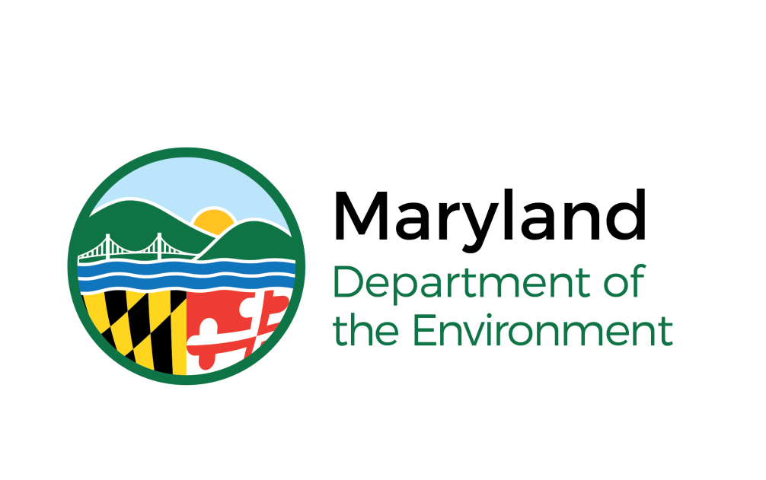
Welcome to MDE's temporary Water Quality Trading (WQT) Register. This spreadsheet is used to track credits certified by MDE for trading, credits reserved by the State, and Trades that have been registered with MDE. This first page serves as a brief guide to the information contained in the subsequent worksheets included in this file.
Description of tabs
The Credits_Generated tab is a tracker for where credits are generated and, if traded, how many credits are left for each project generating credits. Notice this is not BMP by BMP specific tracking, but rather by project (or application for certification). Some projects combine multiple BMPs in their certification and that information is available upon request.
The MD_Reserve tab represents the credits that are given to the State as part of COMAR 26.08.11 in order to cover the loss of certified credits from a BMP damaged by events arising from sudden and reasonable unforeseeable events beyond the control of the person responsible for the maintenance of the BMP, including acts of God; -Replace purchased credits that become unavailable due to failure or underperformance of a BMP; - Address a lack or readily available credits; or -Improve the overall water quality during a year when the credits in the reserve pool are not used to support other purposes detailed in this chapter.
The All_Trades tab represents transactions recorded by MDE where credits were transferred from one entity to another, and identifying both the generator and new owner of the credits.
A portion of credits have been traded but there are still some available (for MWQT administrator).
All available credits have been traded (for MWQT administrator).

For questions or comments, please contact MDE's Water Quality Trading Program:
mde.wqtrading@maryland.gov

